Sheet1
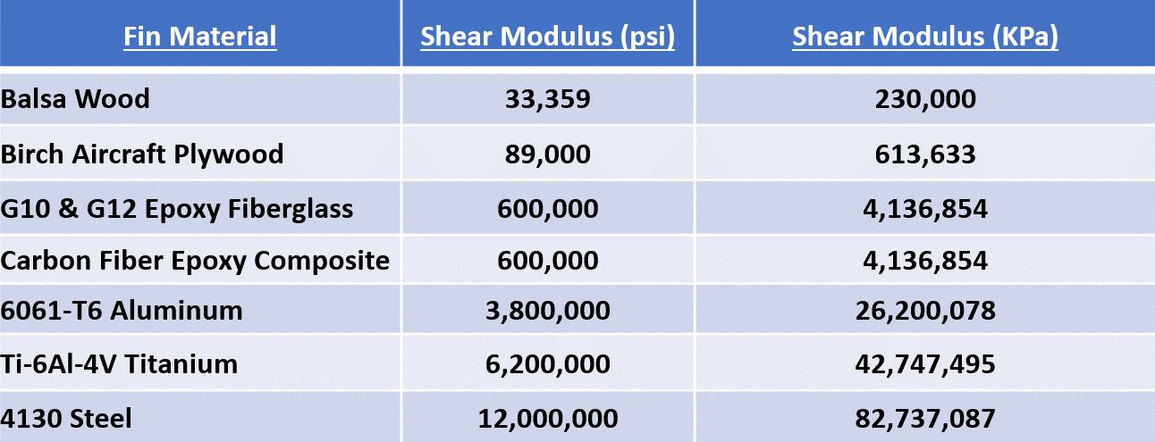
Calculation of Fin Flutter Speed v1.0
© John K. Bennett 2023; worldwide free license is granted with attribution
November, 2023
Primary reference: NACA TN 4917 - Dennis J. Martin, Summary of Flutter Experiences as a Guide to The Preliminary Design of Lifting Surfaces on Missles, February, 1958
This spreadsheet estimates the fin flutter velocity using Martin's method. See accompanying article Fin Flutter Analysis Revisited (Again), JK Bennett, Nov. 2023 for implementation details and limitations.
Due to slight differences in atmosphereic model constannts, as well as rounding differences, Imperial and SI calculations for the same geometry and conditions may differ slightly.

Enter the data highlighted in green in either Imperial or SI Units (but not both)

Data to be Entered |  |  | Imperial Units |  | SI Units
Launch Site Data
MaxV | = | maximum predicted rocket velocity | 1500 | ft/sec | 457.2 | meters/sec
AMaxV | = | altitude at maximum rocket velocity | 14000 | ft | 4267.2 | meters
LSA | = | launch site altitude (ASL) | 4500 | ft | 1371.6 | meters
TLS | = | temperature at launch site | 65 | deg F | 18.3 | deg C
SAM? | = | Use Standard Amospheric Model (SM) or Launch Site Temp (LST) | SM | SM or LST | SM | SM or LST

Fin Geometry Data
t | = | fin thickness | 0.1875 | in | 0.4763 | cm
m | = | fin sweep length | 4.285 | in | 10.88 | cm
TC | = | tip chord length | 2.5 | in | 6.35 | cm
RC | = | root chord length | 7.5 | in | 19.05 | cm
SSL | = | semi span (height) length | 3 | in | 7.62 | cm
T2T | = | Tip-to-Tip reinforcing present? | NO | YES or NO | NO | YES or NO

Calculated Values
Cx (for trapezoidal fins) |  |  | 4.49 | in | 11.41 | cm

ԑ (epsilon) |  |  | 0.349 |  | 0.349

DN (denominator constant) |  |  | 54.88 | psi | 378.39 | KPa

Tf or Tc (air temp at AMaxV) |  |  | -6.86 | deg F | -21.65 | deg C

a (speed of sound at AMaxV) |  |  | 1043.36 | ft/sec | 317.97 | meters/sec

p (air pressure at AMaxV) |  |  | 7.20 | psi | 49.57 | KPa

t/c |  | fin thickness / root chord length | 0.0250 |  | 0.0250

λ |  | tip chord length / root chord length | 0.3333 |  | 0.3333

Fin Area (trapezoidal fin) |  |  | 15.000 | in sq | 96.774 | cm sq

A |  | (semi span length or height)2 / fin area | 0.6000 |  | 0.6000

GE |  | Shear Modulus (doubled in calculation if tip-to-tip reinforcement) | 600000 | psi | 4136854 | Kpa

First Term |  |  | 291797.59 | psi | 2011866.56 | KPa

Second Term |  |  | 0.67 |  | 0.67

Third Term |  |  | 0.49 |  | 0.49

Vf |  |  | 2618.13 | ft/sec | 798.43 | meters/sec

Safety Margin |  |  | 1118.1 | ft/sec | 341.2 | meters/sec
Safety Margin % |  |  | 74.5 | % | 74.6 | %

 |  |  | >= 25% margin is good; 20-25% margin is fly-with-caution; and < 20% margin is no-fly

Suggested Values for GE

